Table 1
101-121 Castlereagh St Mixed Use Development 77 Market street, 85 Castlereagh St, Sydney, NSW Australia 2000
320 - West Core Underpinning Footing Grid S (Zone 2) - SDC- TMP-CON-ITP-006 - 4 - Pits, Pads and Strip Footings
Details
Project 101-121 Castlereagh St Mixed Use Development Organization Scentre Construction Location 77 Market street Mixed Use Development > Basement Level 02 Status In Progress Due Date Created by Holly Fyffe on Wednesday 17 May, 2023, 5:24:23 pm Modified by Holly Fyffe on Wednesday 17 May, 2023, 5:24:24 pm Downloaded Monday 14 August, 2023, 10:02:43 am Template SDC-TMP-CON-ITP-006 - 4 - Pits, Pads and Strip Footings Description Structural ITP for Pits, Pads and Strip Footing Progress 4%

Question |  | Response
1 Prior to Concrete Pour - Attach markup structural plan identifying footings relevant to this ITP * |  | Yes Holly Fyffe - Scentre Construction., Wednesday 17 May, 2023, 5:24:23 pm
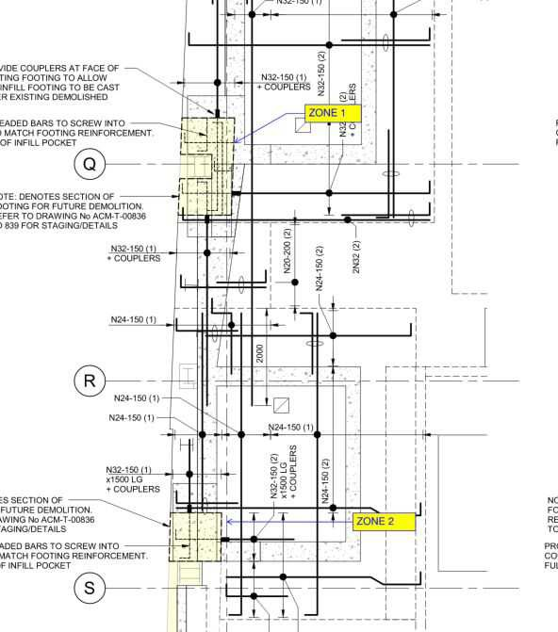 Photos (1) Captured by: Holly Fyffe Scentre Construction Date: 2023/05/17, 5:24:24 PM
 | 2 Prior to Concrete Pour - Confirm surveyor has provided setout for pad footing excavation (attach survey setout plan) *

 | 3 Prior to Concrete Pour - Attach Geotech engineer bearing certification confirming approval of substrate complying with engineer’s requirements *

 | 4 Prior to Concrete Pour - Confirm that either pre- applied membrane or Forecoin plastic has been installed to comply with electrolysis study (attach photos) *

 | 5 Prior to Concrete Pour - Confirm excavation is free of debris and loose materials to walls and floor prior to handover (attach photos) *

 | 6 Prior to Concrete Pour - Attach reinforcement contractors ITP (incl AEFAC Accredited installer signoff of any drill and epoxy bars to comply with structural engineer details) *

 | 7 Prior to Concrete Pour - Confirm wall starter bars have been installed in accordance with surveyor setout and architectural outline drawings. *

 | 8 Prior to Concrete Pour - Attach signoff from CFT Column contractor inspection approval of starter bars, castins and hold down bolts *

 | 9 Prior to Concrete Pour - Attach waterproofing contractors ITP confirm tanking waterproofing and PVC water bar has been installed(attach waterproofing ITP) *

 | 10 Prior to Concrete Pour - Confirm that waterproofing consultant has inspected works and defects closed out *

 | 11 Prior to Concrete Pour - Attach hydraulic contractor's ITP confirming completion of any cast in as per hydraulic drawings *

 | 12 Prior to Concrete Pour - Attach formwork ITP/Signoff that all formwork to kicker has been completed (sump, hobs, edge boards etc) *

 | 13 Prior to Concrete Pour - Attach structural engineer’s inspection report *

 | 14 Prior to Concrete Pour - Attach verification that structural engineer’s inspection report has been closed out to allow concrete pour *

 | 15 Prior to Concrete Pour - Confirm concrete place contractor's order complies with engineer's strength of concrete, waterproofing additive and testing requirements *

 | 16 Prior to Concrete Place - Attach photo of formwork setting the level for concrete place contractor *

 | 17 Prior to Concrete Pour - Attach concrete place contractor’s ITP *

 | 18 After Concrete Pour - Confirm RL of poured footing complies with design RLs *

 | 19 After Concrete Pour - Confirm integrals falls have been completed in concrete to sump *

 | 20 After Concrete Pour - Attach concrete test results and confirm compliance with engineer requirements *

 | 21 Signoffs - Site Engineer to signoff ITP has been completed *

22 Signoffs - Project Engineer to review and confirm ITP has been completed *

Name Signature Date

